Introduction

Habitat Condition Assessment Tool

This Condition Assessment Tool has been developed by Orbit in partnership with the Wildlife Trusts. The tool allows the user to 'score' habitats based on the definitions created for each habitat type and target areas for improved habitat to benefit nature.

Tool Structure: The tool comprises of multiple tabs to record baseline conditions of green space and calculate the enhancement on enabling nature's recovery. 1. Introduction 2. Estate Summary 3. Baseline 4. Enhancement 1 5. Enhancement 2 (It is assumed only 2 enhacements are likely to take place on the same estate, however, additional enhacement tabs can be added if required) 6. Habitats 7. Action Plan Summary Navigating the Tool Opening the tool: Open the Excel file. You will start on the 'Introduction' sheet. Navigation: Use the bottom tabs to switch between different sheets. The tool is designed to be used with a GIS or mapping data that maps the 'green' areas of estates by m2. Using a GIS Programme will allow the user to assign 'codes' to areas to populate the tool (G1, G2, G3 etc for areas of grassland. T1, T2.. etc for trees). The tool has 11 habitat types on the Habitat tab below, areas measured of each habitat should be numbered and then inserted into the baseline tab for each habitat. This will then populate the Estate Summary tab with a score of what percentage of the total area of the green space meets the criteria of 'good' or 'excellent' to support nature. Estate Summary Sheet Purpose: Provides an overview of the estate or area being assessed as well as the contribution any enhancements will make to the estate. Fields to complete: Estate Name, Region, Date of Baseline Assessment Habitat Specific Sheets (Baseline, Enhacement 1, Enhancement 2) Approach: 1. Select the habitat type from the drop down, use the Habitat tab to support your assesssment. 2. Label the area of habitat you are assessing that corresponds to an area on the map. Insert a photo or screenshot of a labelled map so the improvements can be relayed back to GIS Mapping Software. 3. Fill in assessment details: Enter specific information for the habitat you are assessing including the size of the area (in m2) and the condition in relation to the Habitat Tab. 4. Once you have completed

 |  |  |  |  |  | 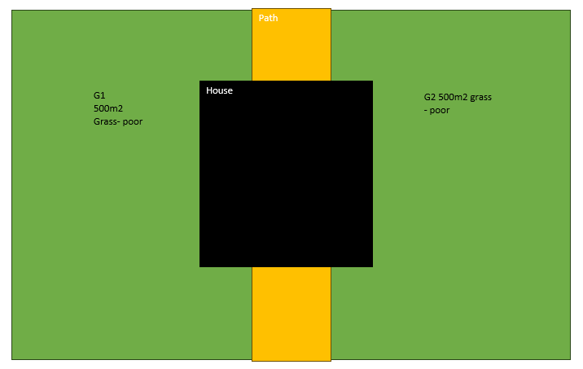
 |  |  |  |  |  | 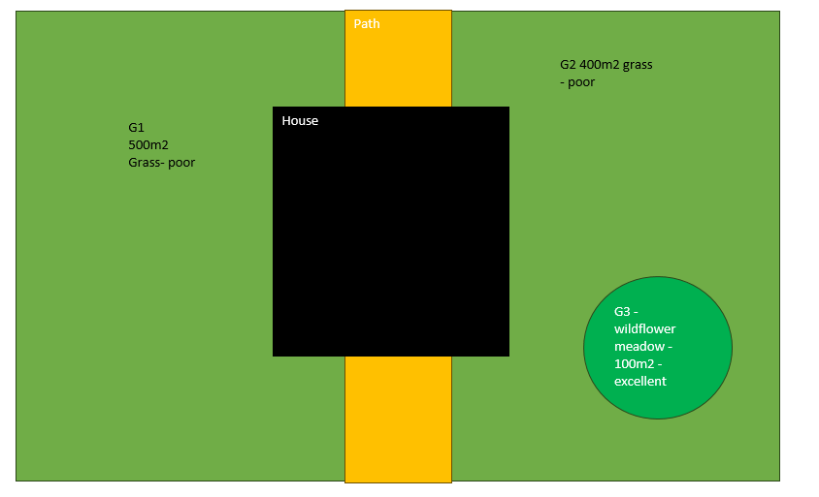
 |  |  |  |  |  | 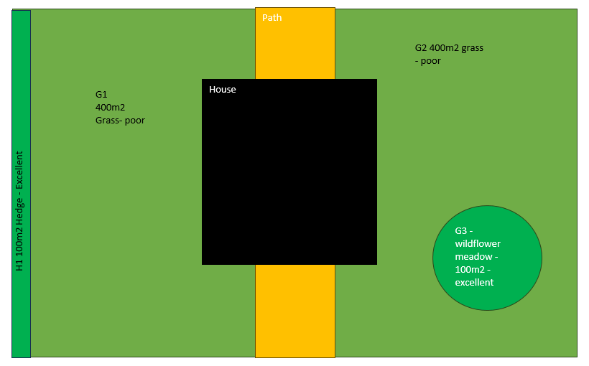
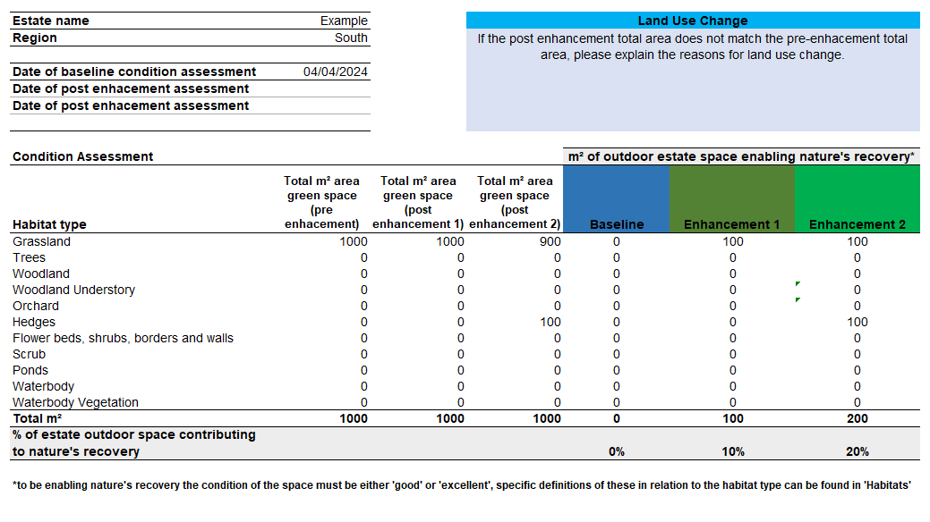

N.B: When creating enhancements to an estate, you need to create a new area for each enhancement and also the remaining habitat that has not been changed will need to be entered again. For example, in the above image, you have 1000m2 of poor quality grass as the baseline. As part of the improvement plans, you are enhancing 100m2 of the grass on the estate into wildflower meadow. Therefore you enter 100m2 as a new area (G3) as good or excellent depending on conditions and the remaining areas again (G1) as poor and G2 in in the Enhancement tab as below to ensure all areas of green space are recorded in the enhacements. All information from Enhancement 1 must be included in Enhancement 2 This will populate the Estate Summary Sheet (see below). N.B: If you are installing hedging or trees on existing grassland, you will need to remove the equivalent area of grass in the enhancement grassland table to ensure the total estate area does not increase. The overall green space may increase in circumstances where tarmac or paving is replaced with grassland or hedging.

Action Plan Summary The purpose of this sheet is to identify areas for improvement, likely enhancements and common considerations to assist in design and tracking. Use the sheet to document any conservation efforts, changes made to improve habitat conditions (nature of improvements, date implemeted, observed effects on the habitat). Tips for Effective Usage 1. Regular monitoring: Conduct assessments at regular intervals and track changes over time. 2. Detailed notes: Use the comment or notes section for each habitat type to record specific observations or unusual findings. 3. Data Backup: Regularly save and back up the tool to prevent data loss. 4. Collaboration: If working in a team, ensure everyone is familiar with the tool's structure and consistent in the data entry. 5. Review and Update: Regularly review the data for accuracy and update the tool as needed. Conclusion The Habitat Condition Assessment Tool is a valuable resource for environmental monitoring and conservation efforts. Through diligent and consistent use, it aids in the effective management and improvement of various habitat types. This guide should serve as a comprehensive manual for users, ensuring that they can make the most of the tool’s capabilities in habitat assessment and conservation planning.

 |  | Please contact us via email on environment@orbit.org.uk or contact Jo Crouch (Environmental Sustainability Manager) joanna.crouch@orbit.org.uk should you have any issues using the tool or want help completing/updating the tool. NB: This tool is still being developed, the habitat definitions may need adapting in future or improvements may need to be made to the way the tool operates. We welcome any thoughts and feedback.

Version Control |  | Last Updated | 2023-11-23 |  | Updates
 | V1.0 | 2021 |  | JM-Orbit IJ WWT | Tool created

 | V2.0 | 2023-11-22 |  | JC-Orbit IJ-WWT | Grassland definitions updated, habitats added (Woodland Understory, Scrub, Waterbodies, Orchards), shrubs placed wit hedges and flower beds, borders and allotments moved into separate category. Group-wide targets for each habitat type removed.
 | V2.1 | 2023-12-15 |  | JC-Orbit | Formulas updated, Introduction sheet updated.
 | V3.0 | 2024-06-24 |  | JC-Orbit | New tool format created, habitat conditions updated.

